.
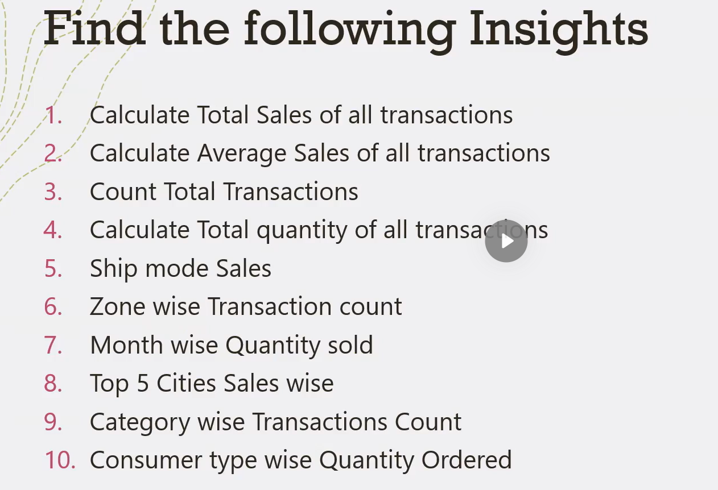

Dashboard
Super Store Sales Dashboard
58,20,182
582
9,994
25,123
Total Sales
Average Sales
Total Oder
Total Quantity

 | Total
Central | 2,323
East | 2,848
South | 1,620
West | 3,203
 | Total
Jan | 1,504
Feb | 1,351
Mar | 2,060
Apr | 1,761
May | 2,057
Jun | 1,776
Jul | 1,835
Aug | 2,099
Sep | 2,858
Oct | 2,043
Nov | 3,039
Dec | 2,740
 | Total
First Class | 919,413
Same Day | 330,970
Second Class | 1,164,497
Standard Class | 3,405,302

Ship Mode Sales %
Region wise transactions
Monthly quantity ordered

 | Total
New York City | 654,439
Los Angeles | 420,553
Philadelphia | 309,973
Seattle | 297,559
San Francisco | 279,337
 | Total
Furniture | 2,121
Office Supplies | 6,026
Technology | 1,847
 | Total
Consumer | 13,030
Corporate | 7,598
Home Office | 4,495

Top Five Cities Sales Wise
Category Wise Transactions
Consumer Type quantity Ordered

